CDD Export 1
RA # | Molecule Name | Structure | IUPAC | LGCY Batch Name | Nsp15_FAM - DR: IC50 (uM) | Nsp15_FAM - DR: Dose-response Plot | original assay, library material IC50 (uM) | Nsp15 Nano-DSF: ΔTm (°C) at 100 uM | Heaton's lab % inh at 25 uM | Solubility (uM)
RA-0010874-02 | SACC-0119065 | 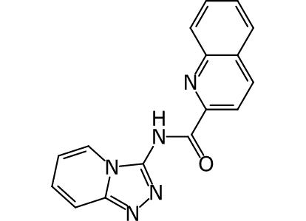 | N-(1,2,3a-triaza-3-indenyl)-2-quinolinecarboxamide | EN:T6329603 | 13.71 |  | 21.2 | 1.5 | 91.4 | 22.7
RA-0011688-01 | SACC-0116360 | 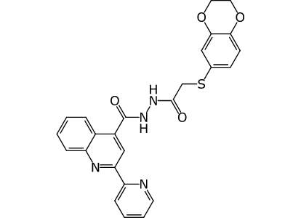 | 2-(2,3-dihydro-1,4-benzodioxin-6-ylthio)-1-(2-{[2-(2-pyridyl)-4-quinolyl]carbonyl}hydrazino)-1-ethanone | EN:T5373742 | 32.06 |  | < 0.625 (not enough data points) | 1.5 | 92 | 1.8
RA-0010742-02 | SACC-0108378 | 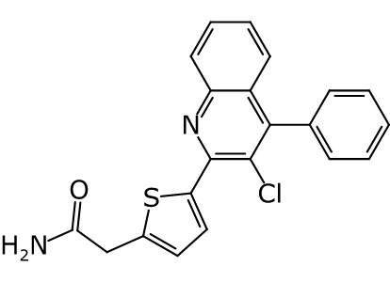 | [5-(3-chloro-4-phenyl-2-quinolyl)-2-thienyl]acetamide | EN:T5653005 | > 200.00 |  | 5.25 | 2.2 | 11.2 | 6.4
RA-0010566-02 | SACC-0086315 | 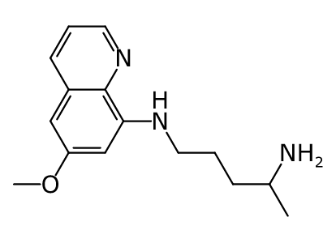 | 4-amino-1-(6-methoxy-8-quinolylamino)pentane | CD:000A-0133 | 59.12 |  | 4.47 | 0.9 | -19 | 164.8
RA-0010184-02 | SACC-0032977 | 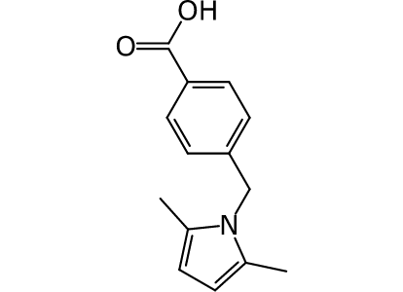 | p-[(2,5-dimethyl-1-pyrrolyl)methyl]benzoic acid | AS:BAS06735662 | > 200.00 |  | 4.61 | 1.5 | -50 | 199.5
RA-0010183-02 | SACC-0032908 | 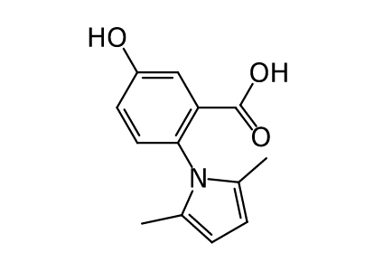 | 2-(2,5-dimethyl-1-pyrrolyl)-5-hydroxybenzoic acid | CD:2817-4329 | 187.58 |  | 4.61 | 1.5 | 22 | 207.8
RA-0010066-02 | SACC-0012625 | 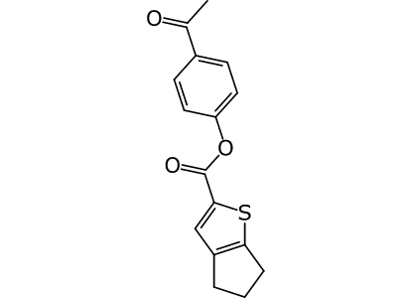 | p-acetylphenyl 2-thiabicyclo[3.3.0]octa-1(5),3-diene-3-carboxylate | EN:T5298365 | 113.87 |  | 28.1 | 1 | 25 | not available yet

